INSTRUCTIONS
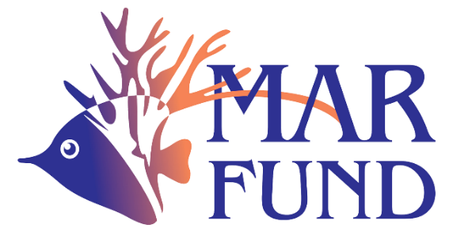

ENVIRONMENTAL AND SOCIAL MANAGEMENT SYSTEM
The purpose of MAR Fund's Environmental and Social Management System is to ensure that the projects that have been approved by MAR Fund and the projects and activities that MAR Fund implements have a substantial net benefit to the environment and communities in the Mesoamerican Reef System (MAR) region, as well as to prevent, minimize and mitigate environmental and social risks and impacts.
MAR FUND ENVIRONMENTAL AND SOCIAL SAFEGUARDS
Environmental and Social Screening Questionnaire (ESSQ).
The questionnaire analyzes the environmental and social risks and impacts of an activity through a series of questions related to Environmental and Social Safeguards (ESS), with clear triggers for these ESS. This tool allows the identification of risks associated with the activities to be developed within the project.
INSTRUCTIONS FOR FILLING OUT:
Read carefully each of the questions in column C and answer YES or NO in column D according to the activities to be financed by MAR Fund. You will need to add comments or additional information in column R, we invite you to put in this column more information about the activated risk as well as if the organization has any tool or protocol to mitigate such risk. Based on your answer in column D, column F will show the risk category. To assign the risk category, follow the instructions in cell C133. Please do not make manual changes in columns F and E.
More information at: https://marfund.org/en/esms/

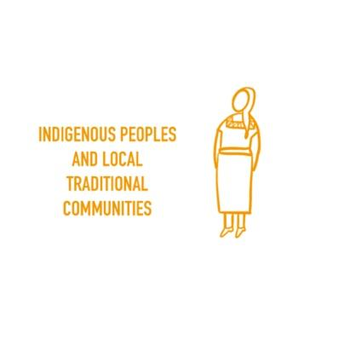
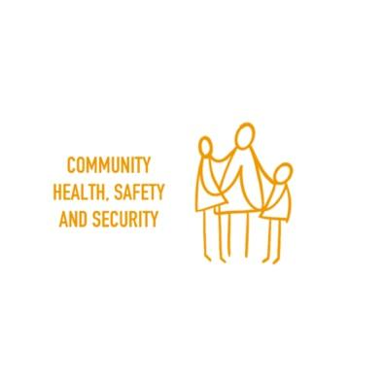
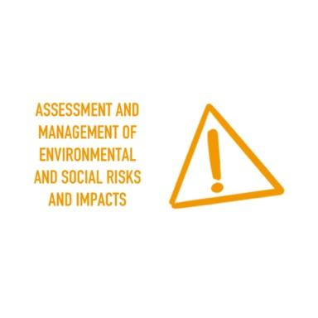
7.
1.
4.


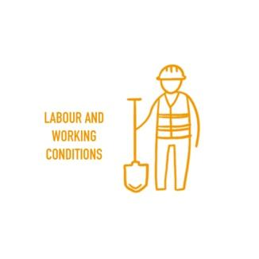
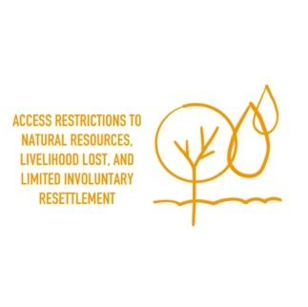
8.
5.
2.

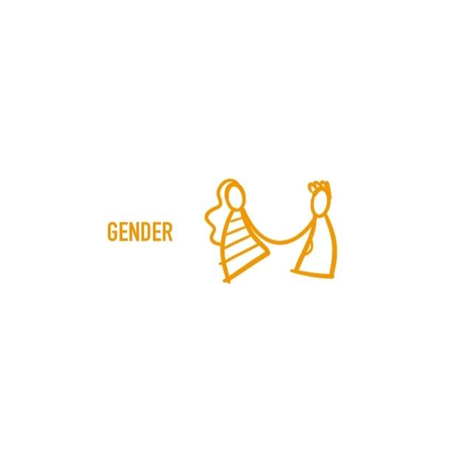

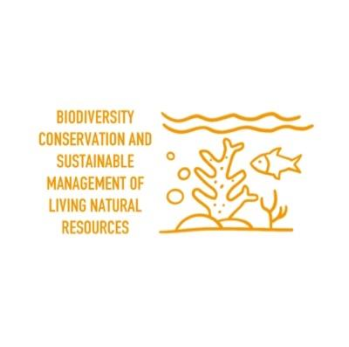
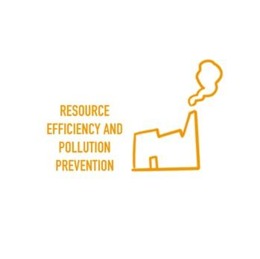
9.

6.
3.
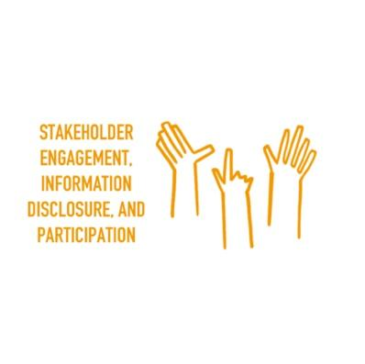

10.

